Sheet1
 |  | Document No. | Issue No. | Issue Date |  |  | Review and Replace Date |  | Authorised By
 |  | GFF433MC | 1 | 19.03.2024 |  |  | New Doc |  | Magda Shah
 |  | Document Title | Spicy Stir Fried Chicken Noodles 300g
Document amendments reason for change |  | New Launch |  | Page 1 of 1 |  | Previous Issue Date |  | New Doc | Uncontrolled copy unless signed original

CCNO-R8T | Gazebo Cuisine |  | Spicy Stir Fried Chicken Noodles 300g
STEP 1
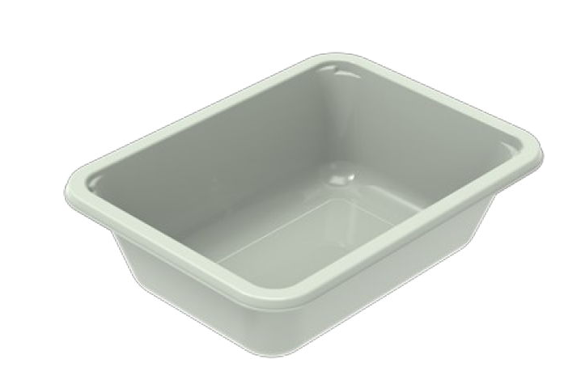 |  |  |  |  | 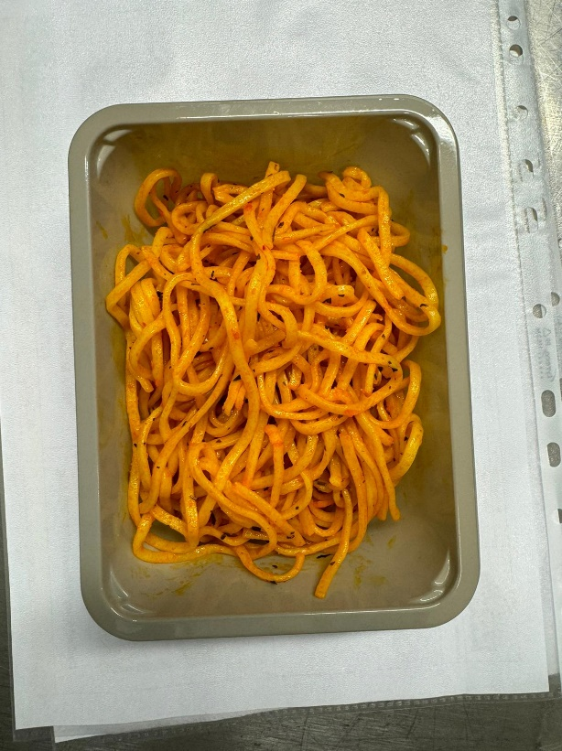

COOK
+
10 DAYS

Tray: EVOLVE CPET 2171-1F FROST (PKRHP001-14) |  |  |  |  | Stir Fried Noodles (GFF474R): 200g
Film: K Peel 3G 25µm (275mmX1000lm) (PKKMP001-04)
STEP 3 |  |  |  |  | STEP 4
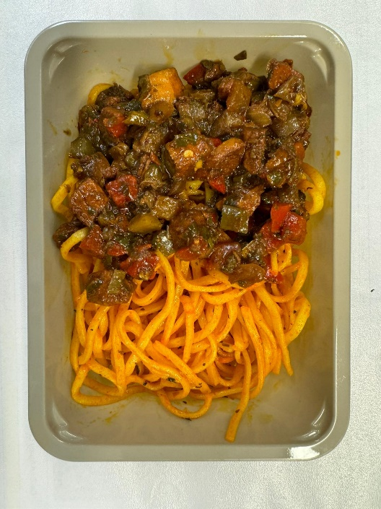 |  |  |  |  | 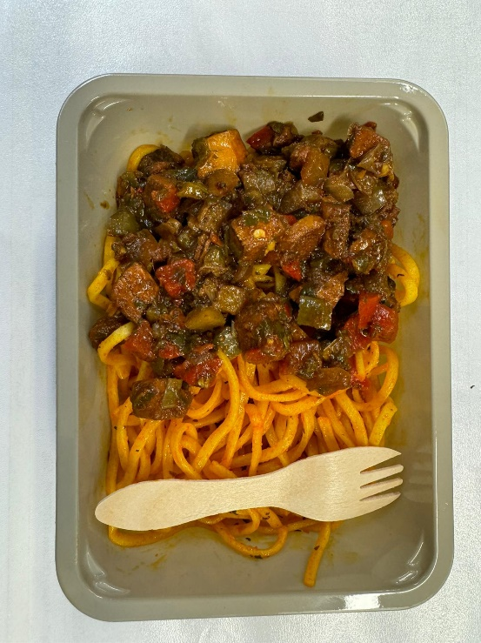

Stir Fried Chicken (GFF475R): 100g |  |  |  |  | Add SPORK inside the tray before sealing |  |  |  | Total Weight: 300g

ALLERGY ALERT: Egg, Soya, Wheat

